Day2
Id:1 | I want to write articles, So that I can share my knowledge and thoughts via articles.
Author/Blogger | I can add image,link to an article.
 | I can update and republish the article .
 | I can delete the article.
 | I can update and manage my profile.
 | I can invite certain people to read my article.

Id:2 | I used to read articles to gain more knowledge
Article Reader: | I want to save the article which impress me.
 | I want to share the article which has new impact.
 | I want to like the article which I love.
 | I can also follow the author I like.

Id:3
Queries Raiser(Any Employee): | I can raise queries in the forum, If I faced any issues.
 | I can search for query in the forum | User Flow
 | I can also give verified mark If I get my solution.
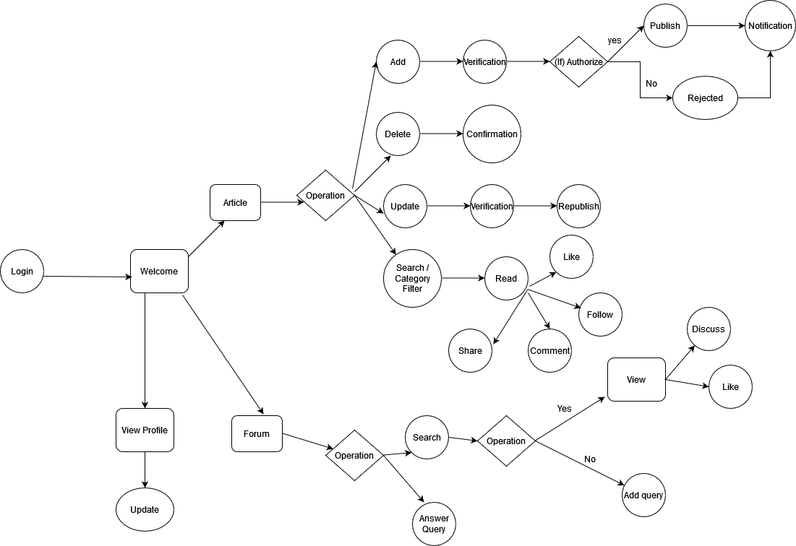

Id:4 | I can able to answer Queries raised by anyone in the technical forum.
Queries Solver (Any Employee): | I can also interact with query raiser if the question is not clear.

Id:5 | I can able to view the dashboard.
System Admin: | I can approve the employee who register ,so that they can able to access our website ,read/write articles ,raise queries and solve queries.
 | I can also give the ratings for authors with their writings.
 | I can manage the author and user profile.
 | I can report and delete the spam content and users.

Id:6 | I can able to review the others articles before publishing.
Reviewer: | I can able to reject the article if the article content is not good.
 | I can able to approve the article.
 | I can able to approve the article.

Actors | User Flow
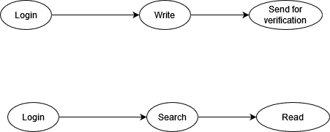

Author/Blogger

 |  |  |  |  |  | Day 2 -Minutes of Meeting

 |  |  |  | 1 | Register should be added in user flow
 |  |  |  | 2 | Add draft section in the articles
 |  |  |  | 3 | Expert Flow diagram should be removed
 |  | Admin Flow |  | 4 | My articles section should be added
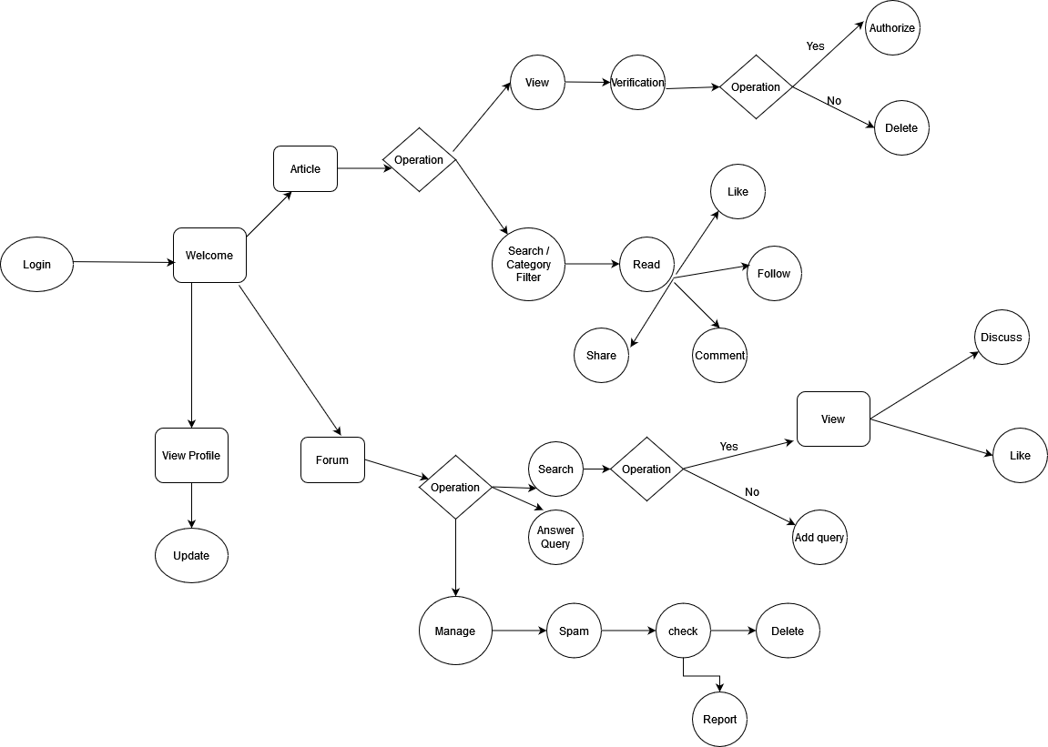
 |  |  |  | 5 | For reading a article we should select the specific article
Article Reader: |  |  |  | 6 | Notification for Approving and rejecting in admin
 |  |  |  | 7 | User has to report spam queries
 |  |  |  | 8 | For rejected articles,Notified with the reason and allowed to Update
 |  |  |  | 9 | Admin cant allowed to raise queries
 |  |  |  | 10 | Any user can share their articles either by private or public
 |  |  |  | 11 | Latest or recently added three queries should be viewed
 |  |  |  | 12 | Queries can be searched and answered
 |  |  |  | 13 | The user who raised the query can have a option to close once it is resolved.
 |  |  |  | 14 | After answering a query,it can also be discussed.

 |  |  |  | Add on ideas | Dashboard section in the my article page(No of articles,Views,Likes).

Query Raiser
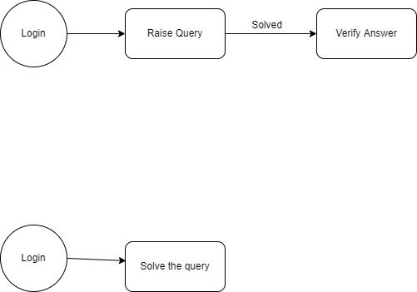

Query Solver

 |  |  | Expert Flow

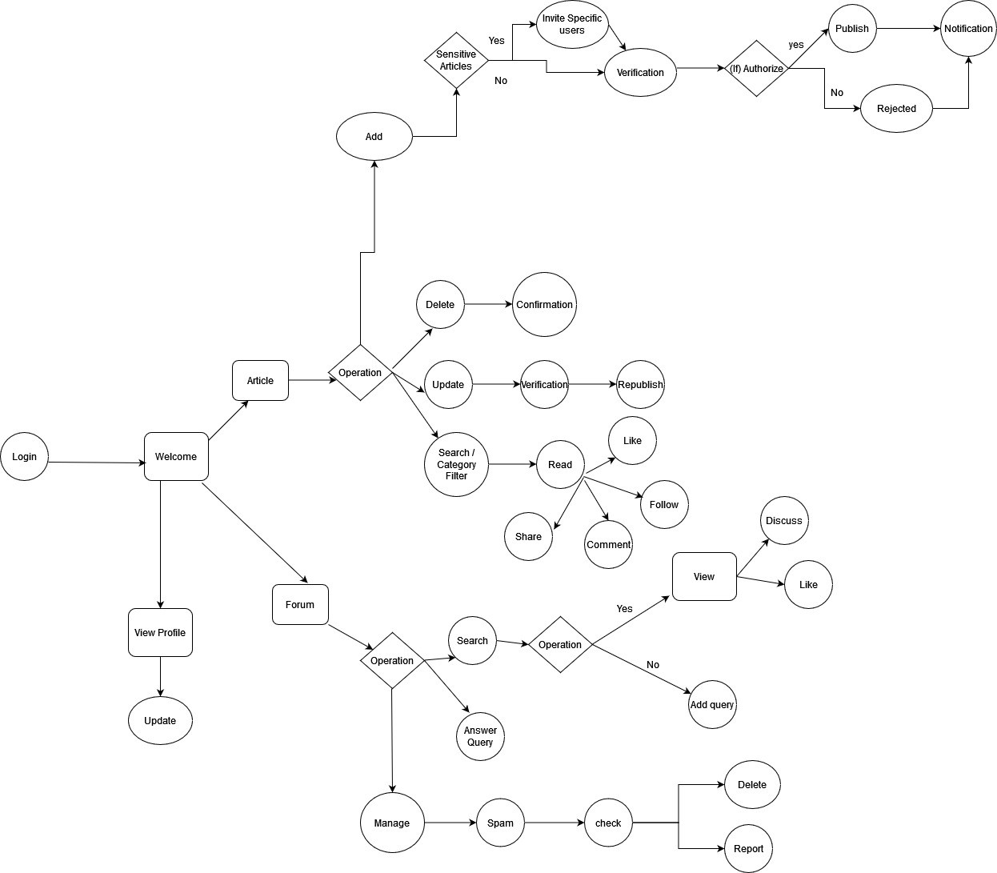

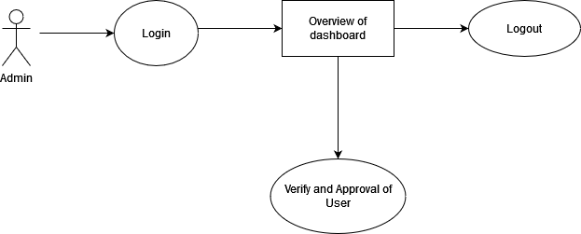
Admin Flow

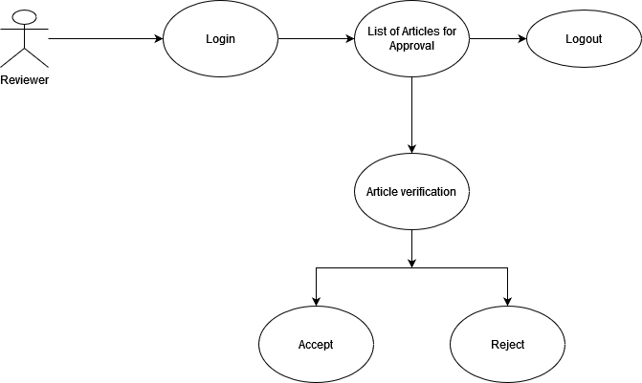
Reviewer Flow

Day 3
Id:1 | I want to write articles, So that I can share my knowledge and thoughts via articles.
Author/Blogger | I can add image,link to an article.
 | I can update and republish the article .
 | I can delete the article.
 | I can update and manage my profile. | User Flow
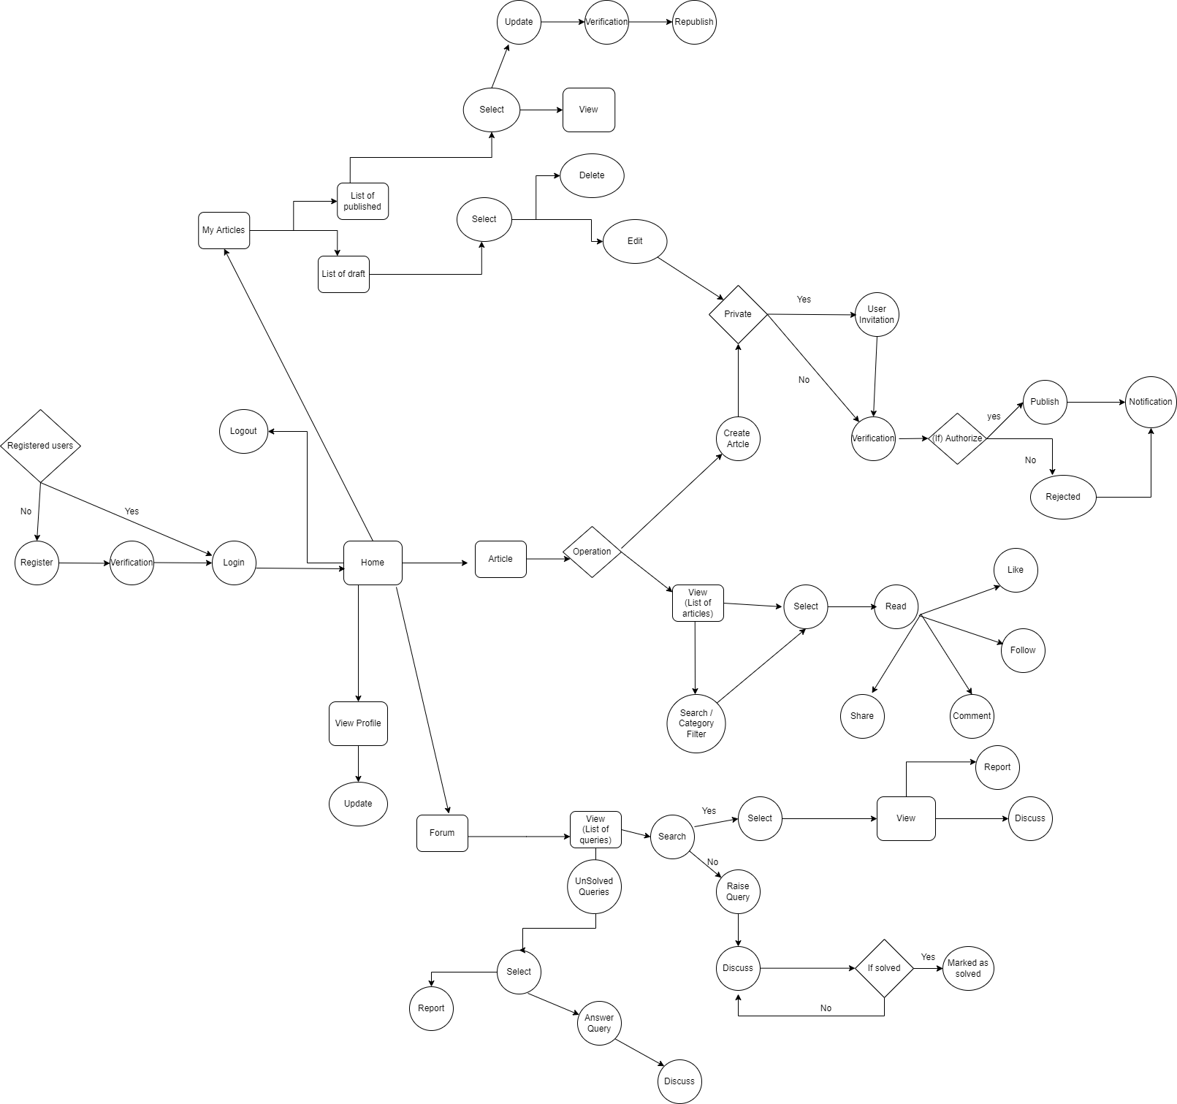
 | I can invite certain people to read my article.
 | I can View my published articles and draft articles in MY ARTICLES page.

Id:2 | I used to read articles to gain more knowledge
Article Reader: | I want to save the article which impress me.
 | I want to share the article which has new impact.
 | I want to like the article which I love.
 | I can also follow the author I like.

Id:3
Queries Raiser(Any Employee): | I can raise queries in the forum, If I faced any issues.
 | I can search for query in the forum
 | I can also give verified mark If I get my solution.

Id:4 | I can able to answer Queries raised by anyone in the technical forum.
Queries Solver (Any Employee): | I can also interact with query raiser if the question is not clear.
 | I can Report Spam Queries.

Id:5 | I can able to view the dashboard.
System Admin: | I can approve the employee who register ,so that they can able to access our website ,read/write articles ,raise queries and solve queries.
 | I can also give the ratings for authors with their writings.
 | I can manage List of Article Approvers
 | I can verify and remove spam queries and send notification with reason

Id:6 | I can able to review the others articles before publishing.
Article Approver: | I can able to reject the article if the article content is not good.
 | I can able to approve the article.

 | Actors Flow

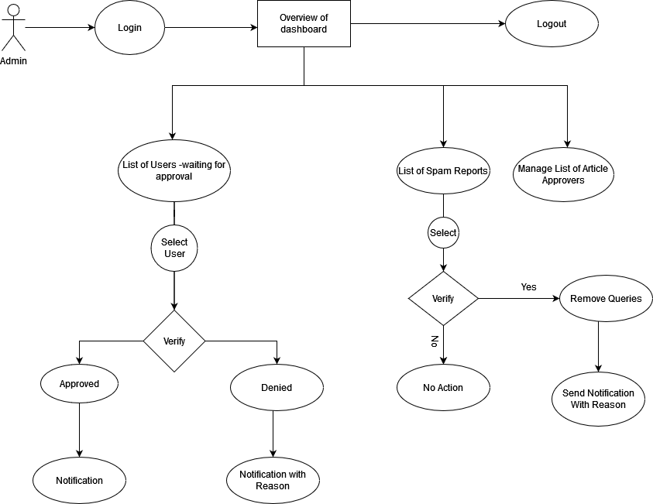
Admin Flow

 |  | Admin Flow

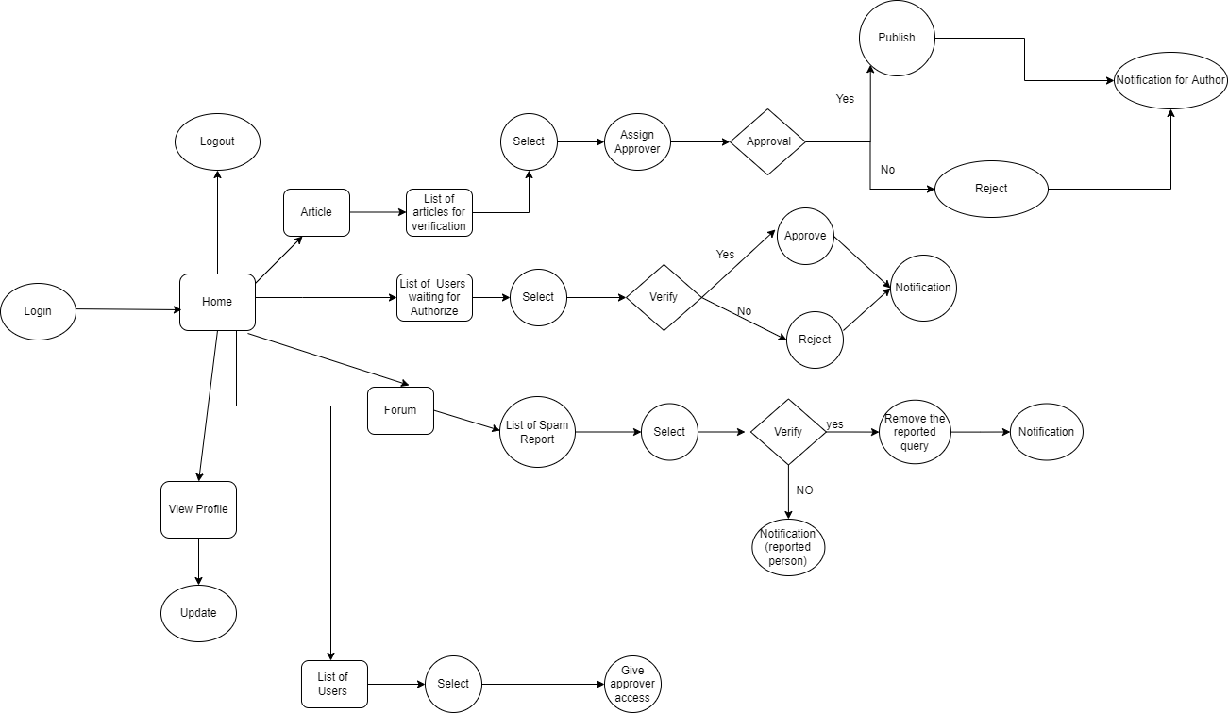

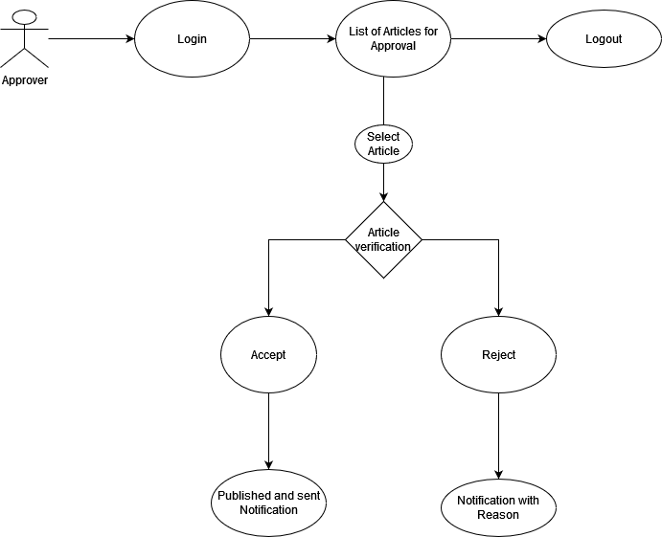
Reviewer Flow

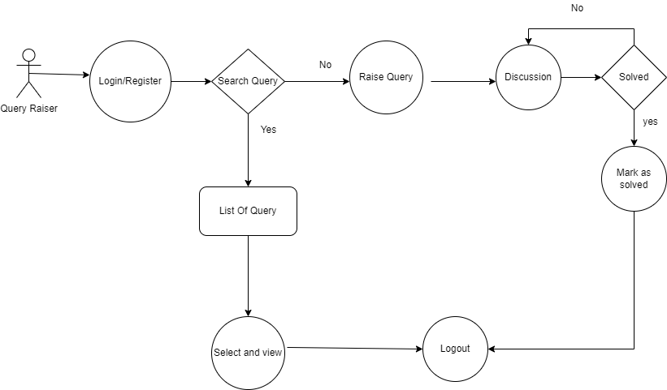
Query Raiser

 |  | Approver Flow



Query solver

